Cover
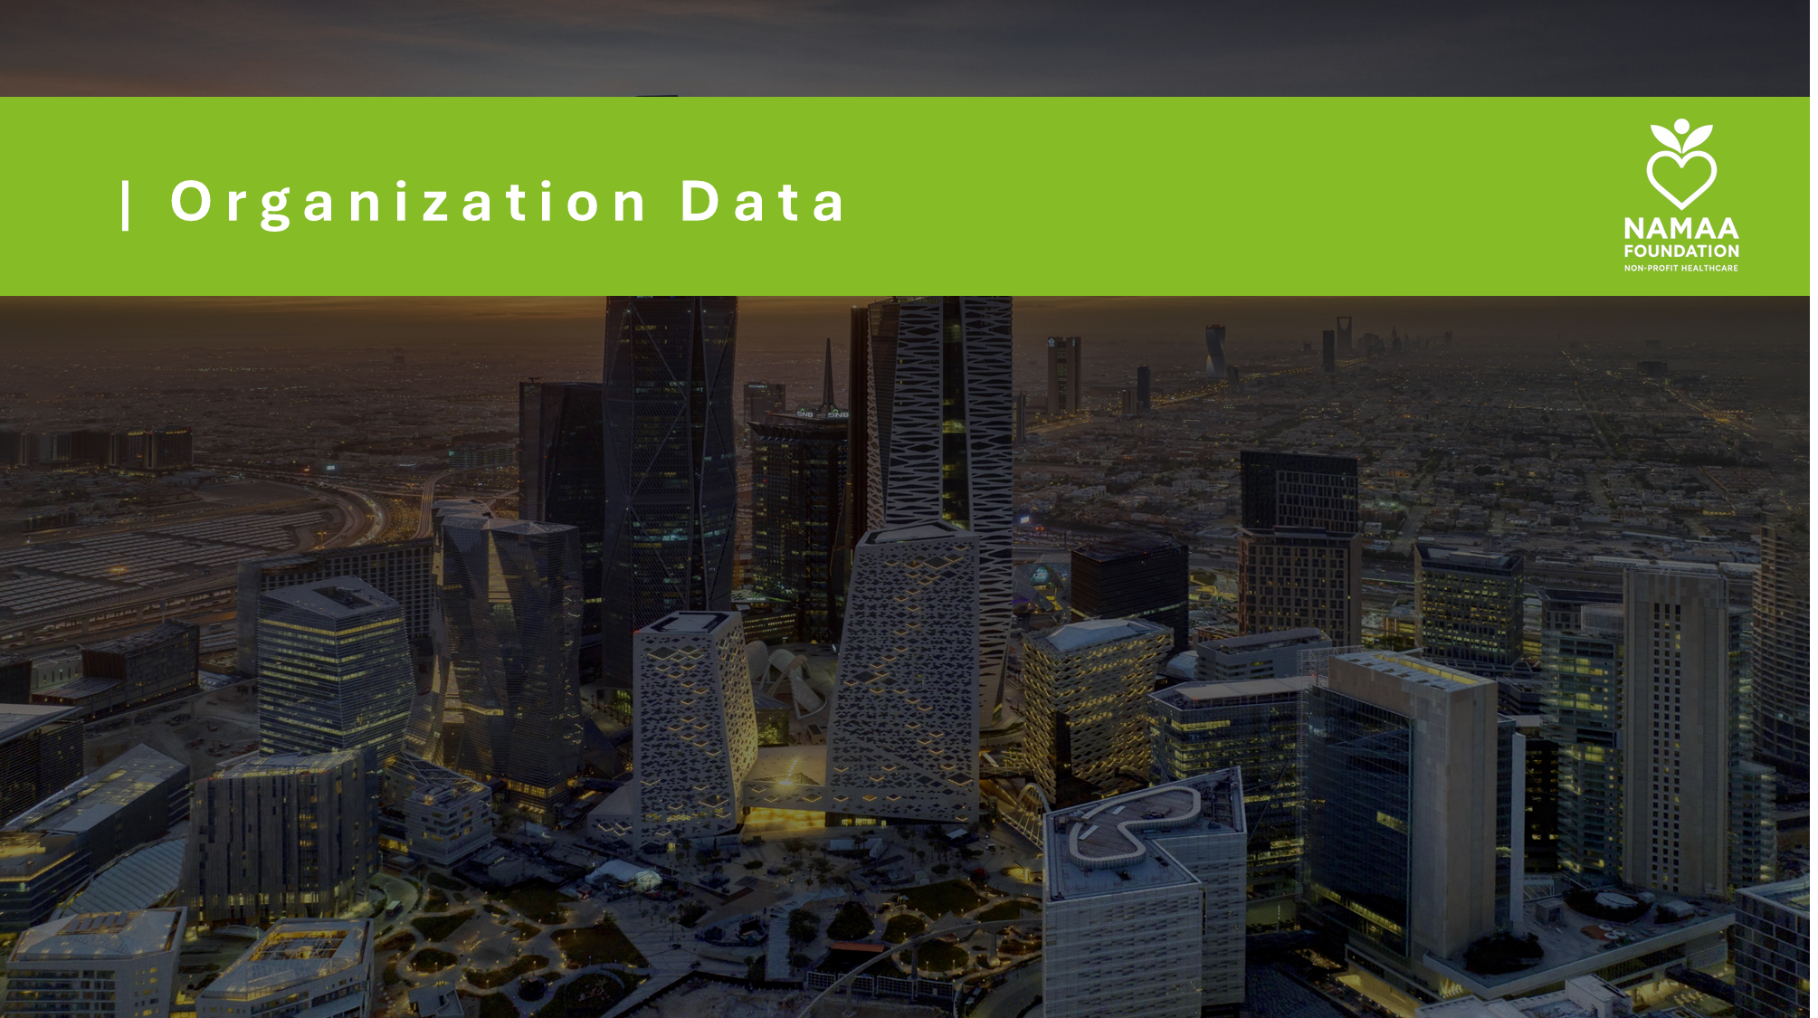

1. Volunteer Data Set

2. Forecasted Volunteer Hours

3. Marketing Information

